Sheet1
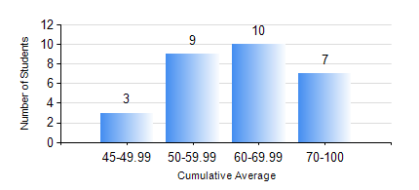
 |  |  | KWAME NKRUMAH UNIVERSITY OF SCIENCE AND TECHNOLOGY, KUMASI Department of Mechanical Engineering

 |  |  | BSC. AEROSPACE ENG., General Option

 |  |  | COMPREHENSIVE RECORD OF EXAMINATION RESULTS

 |  |  | RESULTS OF YEAR 3 FIRST SEMESTER, 2018/2019 ACADEMIC YEAR

 | Sn | Course Code |  | Course Name | Credit Hours | Min. Mark | Max. Mark | Avg. Mark | Std. Dev. | No. Passed | No. Trailed | No. (Df) | No. (I) | No. (I*) | No. Tagged(I,I*,Df) | Total
 | 0. |  |  |  |  |  |  | 0 | 0 | 0 | 0 | 0 | 0 | 0 | 0 | 1
 | 1. | AERO 351 |  | AERODYNAMICS I | 3 | 19 | 76 | 52 | 15.64 | 21 | 7 | 0 | 0 | 0 | 0 | 28
 | 2. | AERO 391 |  | AEROSPACE INDUSTRY AND ENGINEERING | 3 | 36 | 81 | 63 | 12.26 | 27 | 1 | 0 | 0 | 0 | 0 | 28
 | 3. | AERO 393 |  | AEROSPACE ENGINEERING VACATION TRAINING II | 2 | 60 | 80 | 71 | 7.19 | 28 | 0 | 0 | 0 | 0 | 0 | 28
 | 4. | AERO 395 |  | AEROSPACE ENGINEERING LAB. I | 1 | 56 | 79 | 68 | 7.36 | 28 | 0 | 0 | 0 | 0 | 0 | 28
 | 5. | ECONS 151 |  | INTRODUCTION TO ECONOMICS 1 | 2 | 37 | 78 | 59 | 11.53 | 27 | 1 | 0 | 0 | 0 | 0 | 28
 | 6. | MATH 351 |  | NUMERICAL ANALYSIS | 2 | 47 | 86 | 66 | 9.63 | 28 | 0 | 0 | 0 | 0 | 0 | 28
 | 7. | MATH 353 |  | PROBABILITY AND STATISTICS | 2 | 15 | 88 | 71 | 14.89 | 27 | 1 | 0 | 0 | 0 | 0 | 28
 | 8. | ME 363 |  | AUTOMATIC CONTROL I | 2 | 50 | 74 | 63 | 6.44 | 28 | 0 | 0 | 0 | 0 | 0 | 28

